Ice Machine
Blueair Ice Machines Recommended Part List

Model : BLMI/BLUI

UPDATED : 10/15/2025
No. | Code | Image | Name | Spec | Cut Date | BLUI-100A | BLUI-150A | BLUI-250A | BLMI-300A | BLMI-500A | BLMI-500AD | BLMI-650A | BLMI-900A
1 | I910A-011 |  | EVAPORATOR COIL |  |  | 1
 | I910A-021 |  |  |  |  |  | 1
 | I910A-031 |  |  |  |  |  |  | 1
 | I910A-041 |  |  |  |  |  |  |  | 1
 | I910A-051 |  |  |  |  |  |  |  |  | 1
 | I910A-061 |  |  |  |  |  |  |  |  |  |  | 1 | 1
 | I910A-071 |  |  |  |  |  |  |  |  |  | 1
 | I858G-660
2 | I858E-900 |  | COMPRESSOR | NF7.3FX.2 |  | 1
 | I714A-030 |  |  | HK6A1C2U |  |  | 1
 | I714A-230 |  |  | UG9CO50HS | Since Feb 2018 |  |  | 1
 | I714A-260 |  |  | UG9C067HSAEBEX | Since Feb 2018 |  |  |  | 1
 | I858D-400 |  |  | GKN110CBA | Since Feb 2018 |  |  |  |  | 1 | 1
 | I858C-750 |  |  | GK120KAC |  |  |  |  |  |  |  | 1
 | I858D-620 |  |  | UG8CH5180IEH |  |  |  |  |  |  |  |  | 1
3 | I858A-101 |  | WATER PUMP |  |  | 1 | 1
 | I858A-792 |  |  |  |  |  |  | 1
 | I858D-360 |  |  |  |  |  |  |  | 1 | 1
 | I831A-110 |  |  |  |  |  |  |  |  |  |  | 1 | 1
 | I858E-260 |  |  |  |  |  |  |  |  |  | 1
 | I831A-160
4 | I739A-250 |  | WATER PUMP CAPACITOR |  |  |  |  |  | 1 | 1 |  | 1 | 1
 | I739A-300 |  |  |  |  |  |  |  |  |  | 1
5 | I858A-140 | 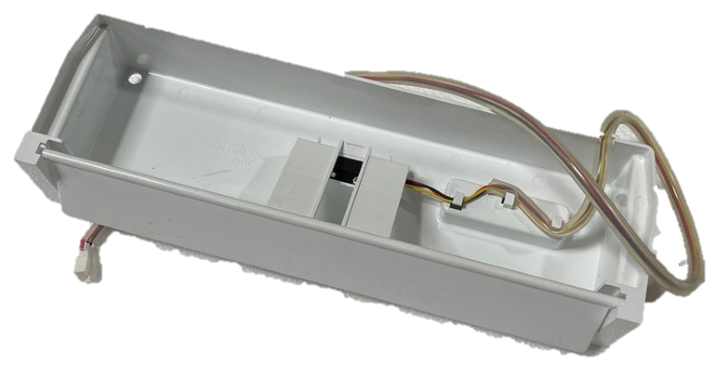 | BIN SWITCH |  |  |  | 1
 | I858A-890 | 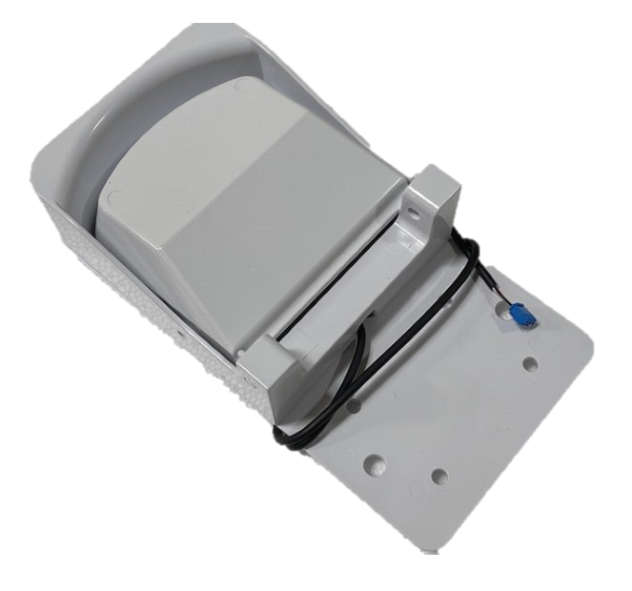 |  |  |  |  |  |  | 1 | 1 |  | 1 | 1
 | I858B-500 | 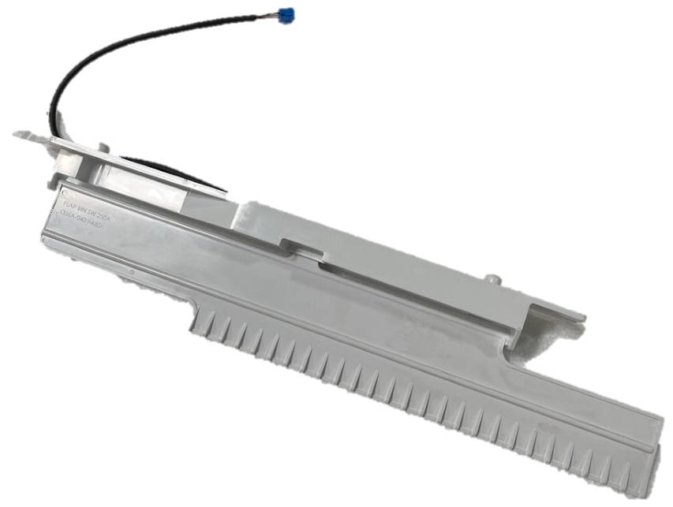 |  |  |  |  |  | 1
 | I858D-060 | 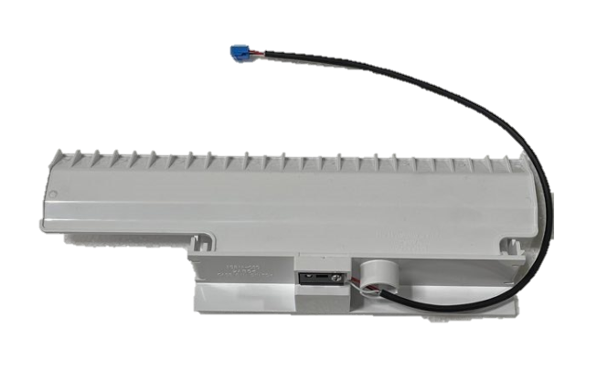 |  |  |  | 1
 | I858E-330 | 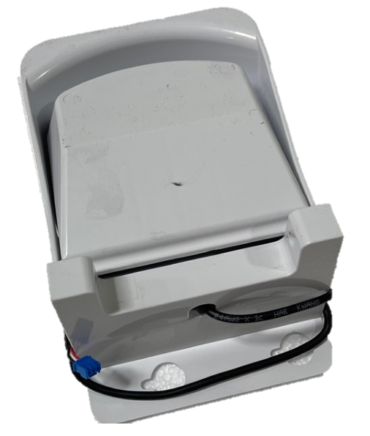 |  |  |  |  |  |  |  |  | 1
6 | I725A-350 |  | MAIN PCB |  |  | 1
 | I725B-010 |  |  |  | Since Apr 2024 | 1
 | I725A-690 |  |  |  |  |  | 1
 | I725B-020 |  |  |  | Since Apr 2024 |  | 1
 | I725A-700 |  |  |  |  |  |  | 1
 | I725B-030 |  |  |  | Since Apr 2024 |  |  | 1
 | I725A-710 |  |  |  |  |  |  |  | 1
 | I725B-040 |  |  |  | Since Mar 2024 |  |  |  | 1
 | I725A-720 |  |  |  |  |  |  |  |  | 1
 | I725B-050 |  |  |  | Since Mar 2024 |  |  |  |  | 1
 | I725A-730 |  |  |  |  |  |  |  |  |  | 1
 | I725B-080 |  |  |  | Since Mar 2024 |  |  |  |  |  | 1
 | I725A-080 |  |  |  |  |  |  |  |  |  |  | 1
 | I725B-060 |  |  |  | Since Mar 2024 |  |  |  |  |  |  | 1
 | I725A-750 |  |  |  |  |  |  |  |  |  |  |  | 1
 | I725B-070 |  |  |  | Since Mar 2024 |  |  |  |  |  |  |  | 1
 | I725A-430 |  | Integrated PCB | PCB model setting required |  | 1 | 1
 | I725A-220 |  |  | See bottom for instructions |  |  |  | 1 | 1 | 1 |  | 1 | 1
7 | I718A-030 |  | FUSE | ORISEL 65TL (125V 15A) |  | 1 | 1 | 1 | 1 | 1 | 1 | 1 | 1
8 | R7504-060 |  | POWER TRANSFORMER | AC 120V/60Hz |  | 1 | 1 | 1 | 1 | 1 | 1 | 1 | 1
9 | R748A-090 |  | POWER RELAY | DC12V 30A |  |  |  | 1 | 1 | 1 | 1 | 1 | 1
10 | I725A-020 |  | DISPLAY PCB |  |  | 1 | 1 | 1 | 1 | 1 |  | 1 | 1
 | I725B-890 |  |  | Since Apr 2024(BLUI),Since Mar 2024(BLMI) |  | 1 | 1 | 1 | 1 | 1 |  | 1 | 1
 | I725A-280 |  |  | Before May 17, 2022 |  |  |  |  |  |  | 1
 | I725A-780 |  |  | Since May 17,2022 |  |  |  |  |  |  | 1
11 | I325A-111 |  | DISPLAY COVER |  |  | 1 | 1 | 1
 | I325A-670 |  |  |  |  |  |  |  | 1 | 1 | 1 | 1 | 1
12 | I511A-011 |  | CONTROL INLAY |  |  | 1 | 1 | 1
 | I511A-020 |  |  |  |  |  |  |  | 1 | 1 | 1 | 1 | 1
 | I858D-910 | 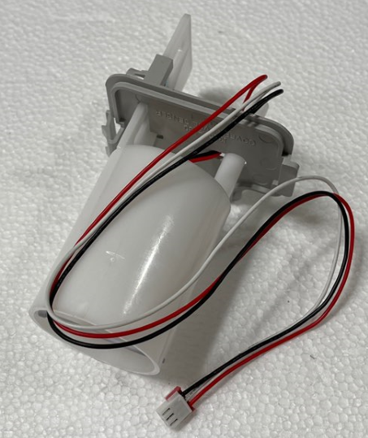 |  |  |  | 1
13 | I858A-321 | 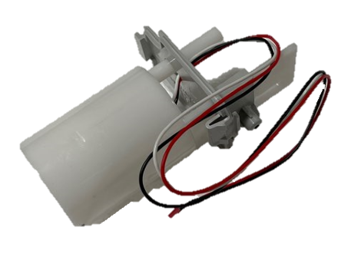 | WATER LEVEL SENSOR |  |  |  | 1
 | I858A-531 | 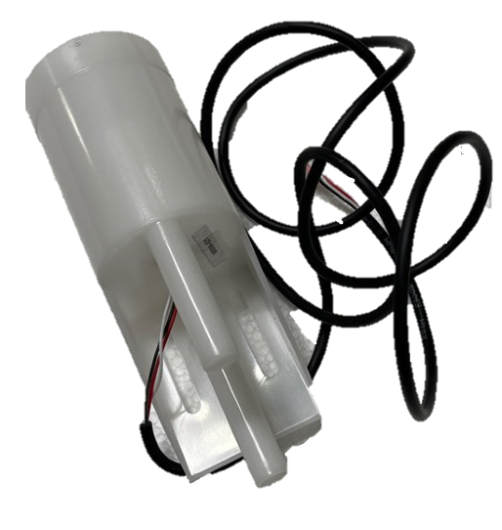 |  |  |  |  |  |  | 1 | 1 | 1 | 1 | 1
 | I858A-811 | 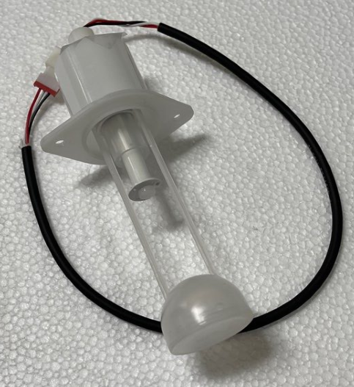 |  |  |  |  |  | 1
14 | I732A-050 | 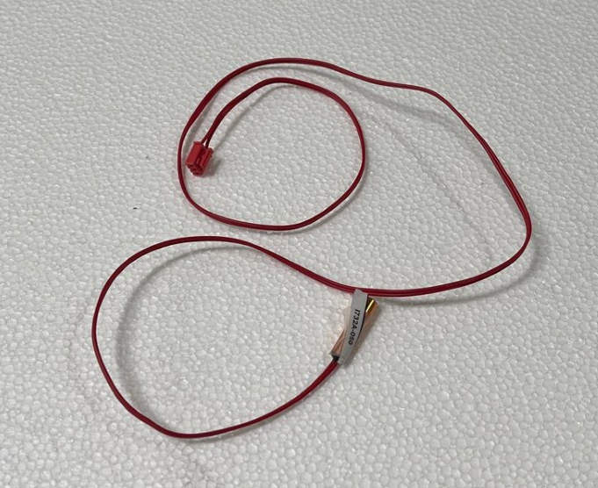 | EVAPORATOR TEMPERATURE SENSOR |  | Before Mar 2024 (BLMI) Before Apr 2024 (BLUI) | 1 | 1 | 1 | 1 | 1 | 1 | 1 | 1
 | I732A-090 |  |  |  | Since Mar 2024 (BLMI), Since Apr 2024 (BLUI) | 1 | 1 | 1 | 1 | 1 |  | 1 | 1
 | I732A-080 |  | HIGH TEMPERATURE SENSOR |  | Since Mar 2024 (BLMI), Since Apr 2024 (BLUI) | 1 | 1 | 1 | 1 | 1 | 1 | 1 | 1
15 | I745A-010 | 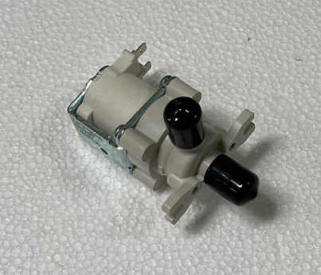 | DRAIN VALVE |  |  | 2 | 2 | 2
 | I745A-450 | 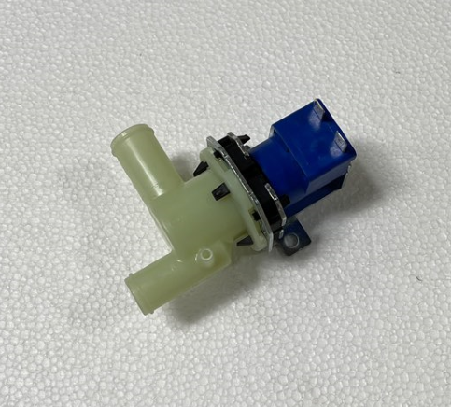 |  |  |  |  |  |  |  |  | 1
16 | I745A-040 | 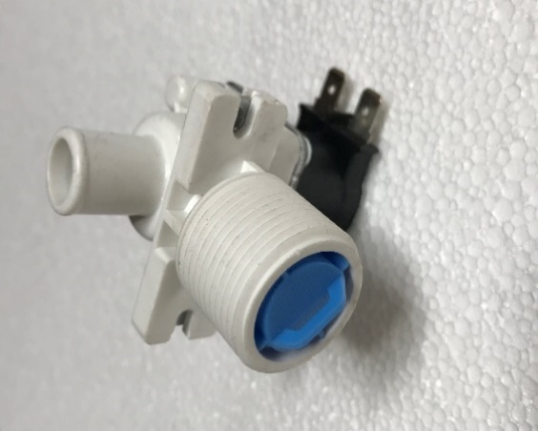 | INLET VALVE | DVI-KDIM1 AC120V 50/60HZ |  | 1 | 1
 | I745A-050 |  |  |  |  |  |  | 1
 | I745A-190 |  |  |  |  |  |  |  | 1
 | I745A-200 |  |  |  |  |  |  |  |  | 1 | 1
 | I745A-210 |  |  |  |  |  |  |  |  |  |  | 1 | 1
 | I745A-770
17 | I745A-280 | 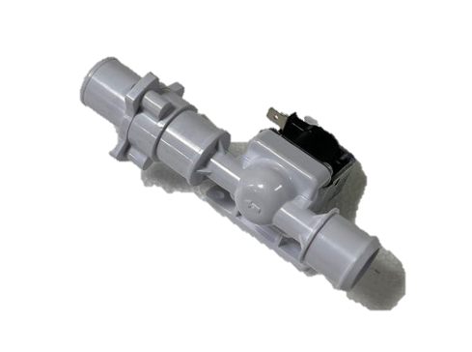 | CLEANING VALVE |  |  |  |  |  | 1 | 1 |  | 1 | 1
 | I745A-490 | 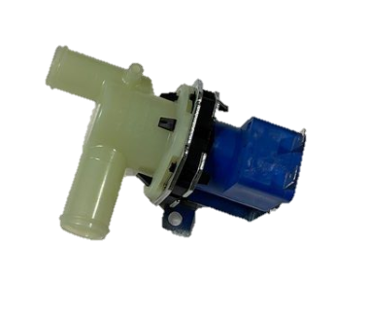 |  |  |  |  |  |  |  |  | 1
18 | I745A-160 | 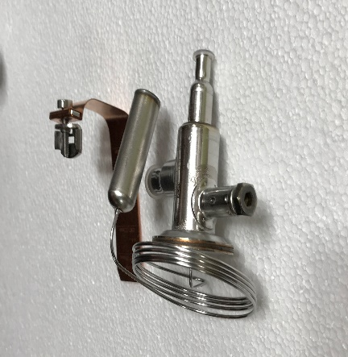 | EXPANSION VALVE |  |  |  | 1
 | I745A-270 |  |  |  | Before Feb 2018 |  |  | 1 | 1
 | I745A-370 |  |  |  | 02/2018 - 04/2024 |  |  | 1
 | I745A-810 |  |  |  | Since Apr 2024 |  |  | 1
 | I745A-330 |  |  |  | Before Feb 2018 |  |  |  |  | 1
 | I745A-390 |  |  |  | Since Feb 2018 |  |  |  | 1 | 1 |  | 1
 | I745A-430 |  |  |  | 02/2018 - 03/2024 |  |  |  |  | 1
 | I745A-420 |  |  |  |  |  |  |  |  |  |  |  | 1
 | I745A-820 |  |  |  | Since Mar 2024 |  |  |  |  |  |  |  | 1
 | I745A-480 |  |  |  |  |  |  |  |  |  | 1
19 | I341A-020 |  | ICE GUIDE |  |  | 2 | 2 | 2
 | I341A-030 |  |  | Middle |  |  | 1
 | I341A-050 |  |  |  |  |  |  |  | 1 | 1 |  | 1 | 1
 | I341A-080 | 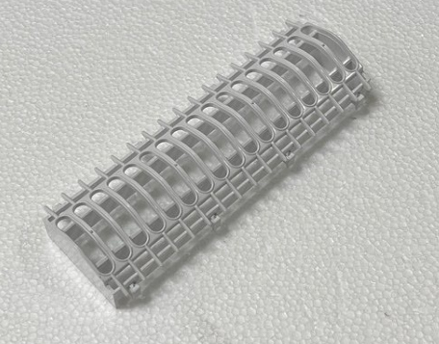 |  | Middle |  |  |  | 2
 | I341A-100 | 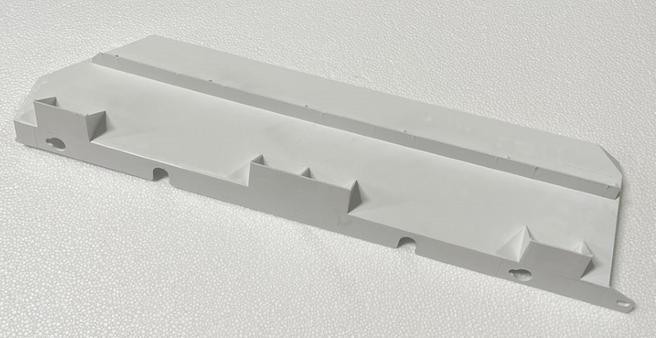 |  | Upper |  |  |  |  | 1
 | I341A-130 | 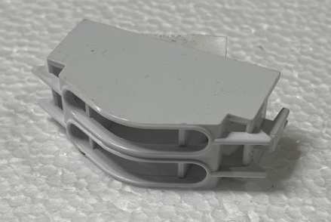 |  | Middle |  | 1
 | I341A-150 | 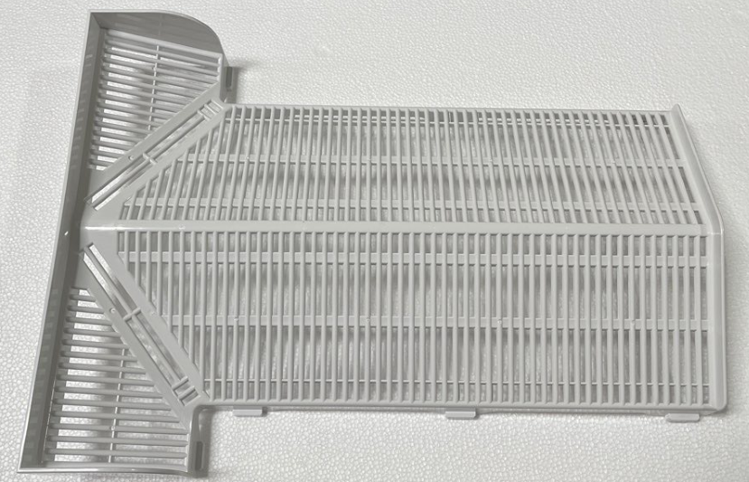 |  |  |  |  |  |  |  |  | 1
20 | I341A-060 |  | SPRAY GUIDE |  |  |  |  |  | 2 | 2 |  | 2 | 2
 | I341A-200 |  |  | For rounded evaporator |  |  |  |  | 2 | 2 |  | 2 | 2
 | I341A-160 |  |  |  |  |  |  |  |  |  | 3
 | I341A-350 |  |  | For rounded evaporator |  |  |  |  |  |  | 3
 | I341A-310 |  |  | For rounded evaporator |  | 1
 | I341A-010 |  |  |  |  |  | 1
 | I341A-320 |  |  | For rounded evaporator |  |  | 1
 | I341A-070 |  |  |  |  |  |  | 1
 | I341A-330 |  |  | For rounded evaporator |  |  |  | 1
21 | I226A-140 |  | SPRAY TUBE |  |  | 1
 | I226A-010 |  |  |  |  |  | 1
 | I226A-090 |  |  |  |  |  |  | 1
 | I226A-110 |  |  |  |  |  |  |  | 1 | 1 |  | 1 | 1
 | I226A-160 |  |  |  |  |  |  |  |  |  | 1
22 | I226A-130 |  | SUPPLY TUBE |  |  | 1
 | I226A-020 |  |  |  |  |  | 1
 | I226A-080 |  |  |  |  |  |  | 1
 | I226A-101 |  |  |  |  |  |  |  | 1 | 1 |  | 1 | 1
 | I226A-150 |  |  |  |  |  |  |  |  |  | 1
18 | I858A-580 |  | WATER INLET PIPE |  |  |  |  |  | 1 | 1 |  | 1 | 1
 | I858E-370 |  |  |  |  |  |  |  |  |  | 1
 | I858A-300 |  |  |  |  |  | 1
 | I858B-080 |  |  |  |  |  |  | 1

• PCB MODEL SETTING INSTRUCTION
Model: BLUI-100A, BLUI-150A BLUI-250A, BLMI-300A, BLMI-500A, BLMI-650A, BLMI-900A
1) Hold 'Check' button for 5 seconds (Display: P-1)
2) Hit 'Check' button 10 times (Display: P-6)
3) To change model name hit 'Power' or 'Wash' button
MODEL |  |  |  | DISPLAY
BLUI-100A |  |  |  | 10A
BLUI-150A |  |  |  | 15A
BLUI-250A |  |  |  | 25A
BLMI-300A |  |  |  | 30A
BLMI-500A |  |  |  | 50A
BLMI-650A |  |  |  | 65A
BLMI-900A |  |  |  | 90A
4) Hold 'Check' button for 5 seconds to apply

